Specification
 |  |  |  |  |  |  |  |  |  |  |  |  |  | 743
ARTICLE | IMAGE 1 | IMAGE 2 | IMAGE 3 | FULL ARTICLE | COLOR | PRODUCT NAME | SUPPL. CATEGORY | PARENT GROUP | GENDER | BRAND | WHS | RRP | SIZE COUNT | QTY | UN
213BA001-3060-120 | 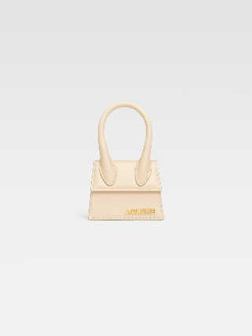 | 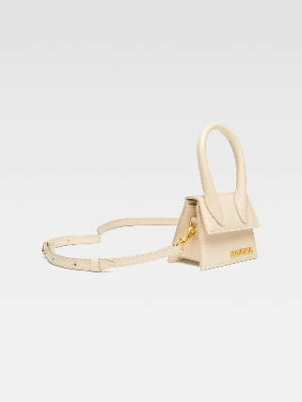 | 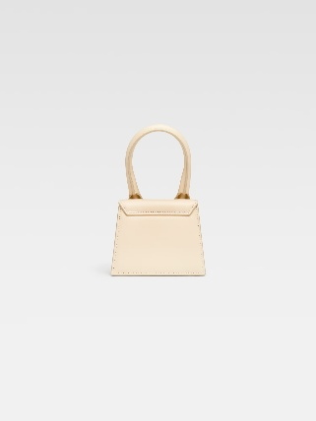 | 213BA001-3060-120IVORY | IVORY | HANDBAG | BAGS | ADULT | FEMALE | JACQUEMUS | €328.00 | €720.00 | 1 | 11 | 11
213BA001-3072-810 | 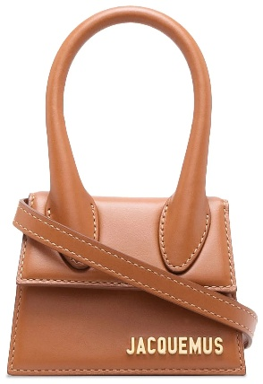 | 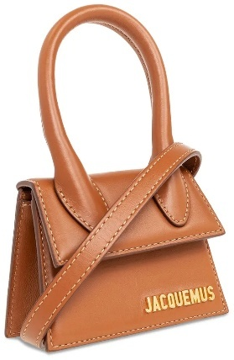 | 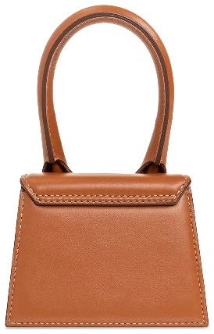 | 213BA001-3072-810LIGHT BROWN 2 | LIGHT BROWN 2 | HANDBAG | BAGS | ADULT | FEMALE | JACQUEMUS | €328.00 | €720.00 | 1 | 29 | 29
213BA007-3100 | 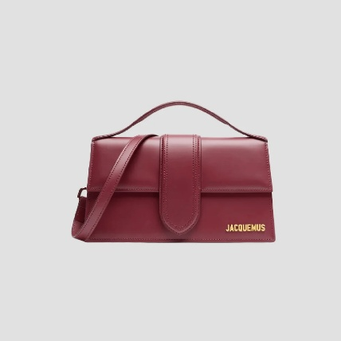 | 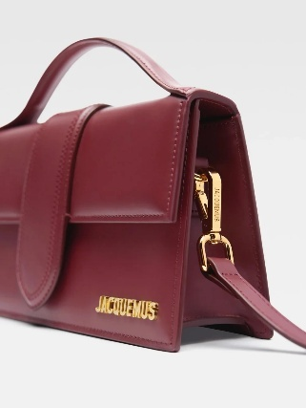 | 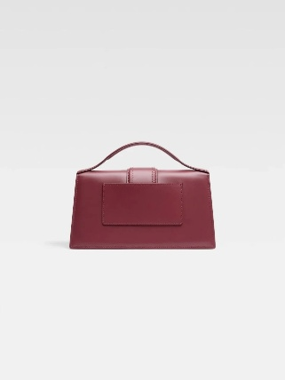 | 213BA007-3100DARK BURGUNDY | DARK BURGUNDY | HANDBAG | BAGS | ADULT | FEMALE | JACQUEMUS | €335.00 | €820.00 | 1 | 47 | 47
213BA007-3100-390 | 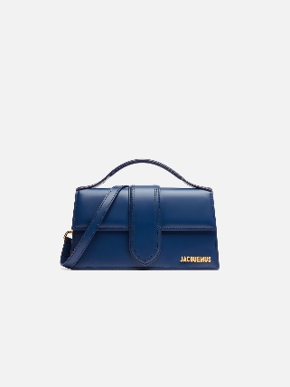 | 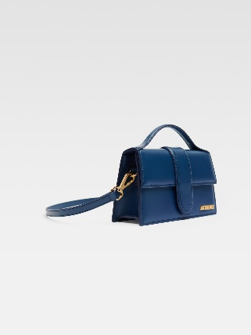 | 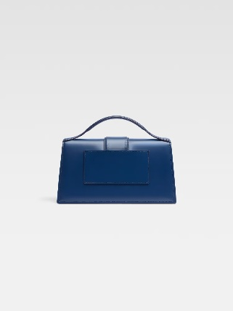 | 213BA007-3100-390DARK NAVY | DARK NAVY | HANDBAG | BAGS | ADULT | FEMALE | JACQUEMUS | €335.00 | €820.00 | 1 | 22 | 22
213BA007-3100-560 | 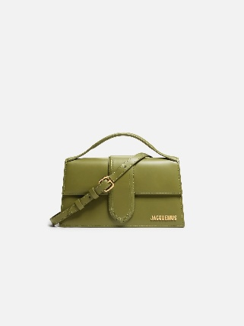 | 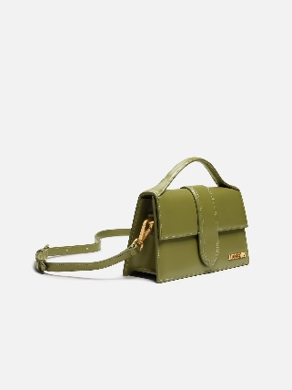 | 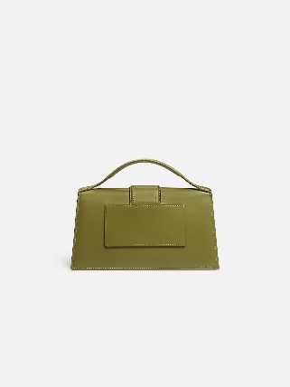 | 213BA007-3100-560KHAKI | KHAKI | HANDBAG | BAGS | ADULT | FEMALE | JACQUEMUS | €335.00 | €820.00 | 1 | 10 | 10
221BA013-3060-100 |  | 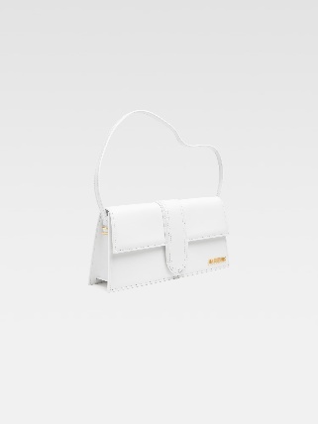 |  | 221BA013-3060-100WHITE | WHITE | HANDBAG | BAGS | ADULT | FEMALE | JACQUEMUS | €386.36 | €850.00 | 1 | 23 | 23
221BA013-3060-120 | 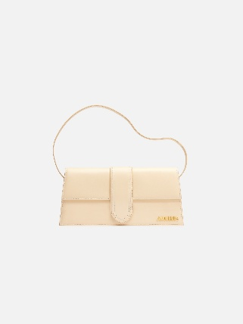 | 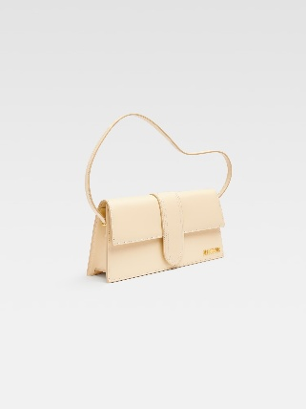 | 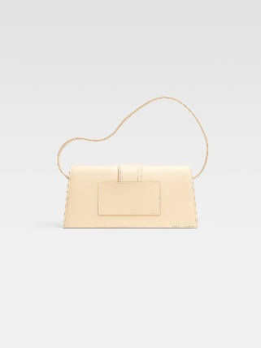 | 221BA013-3060-120IVORY | IVORY | HANDBAG | BAGS | ADULT | FEMALE | JACQUEMUS | €386.36 | €850.00 | 1 | 25 | 25
221BA013-3128-47G | 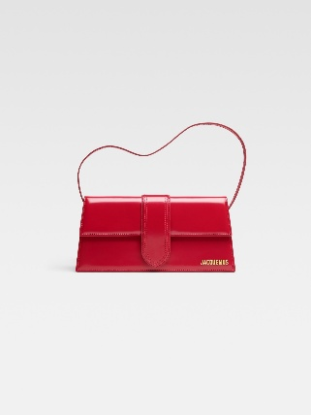 | 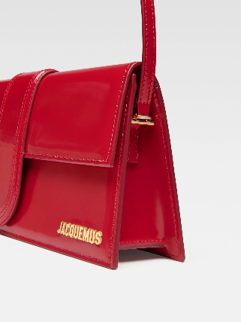 | 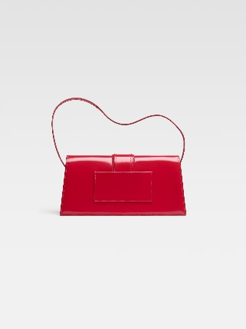 | 221BA013-3128-47GRED | RED | HANDBAG | BAGS | ADULT | FEMALE | JACQUEMUS | €386.36 | €850.00 | 1 | 14 | 14
231BA052-3073-855 | 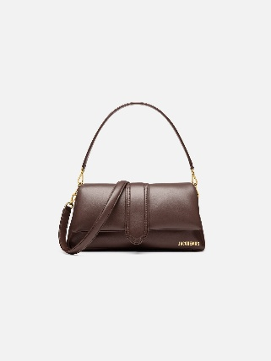 | 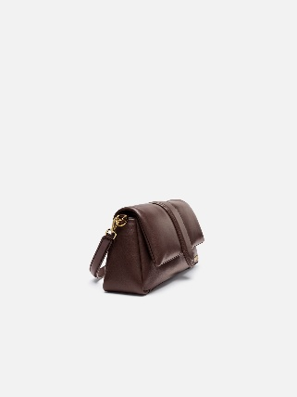 | 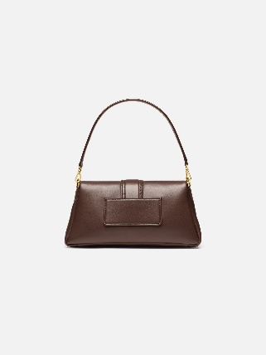 | 231BA052-3073-855MEDIUM BROWN | MEDIUM BROWN | HANDBAG | BAGS | ADULT | FEMALE | JACQUEMUS | €450.00 | €990.00 | 1 | 65 | 65
231BA052-3073-990 | 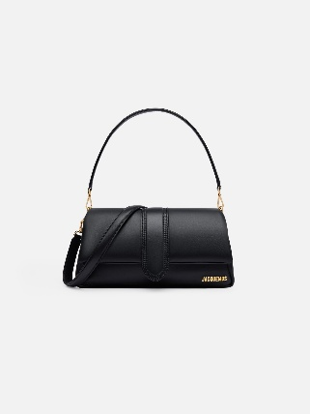 | 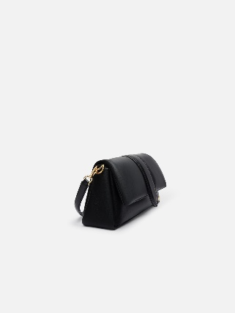 | 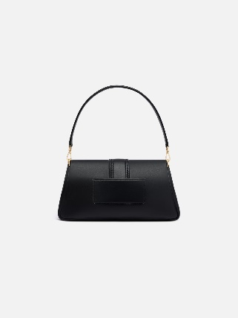 | 231BA052-3073-990BLACK | BLACK | HANDBAG | BAGS | ADULT | FEMALE | JACQUEMUS | €450.00 | €990.00 | 1 | 75 | 75
233BA335-3073-855 | 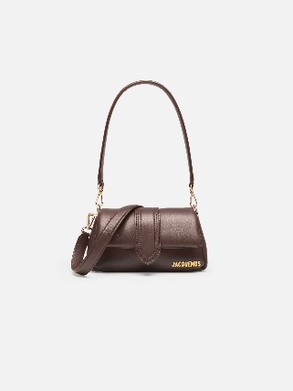 | 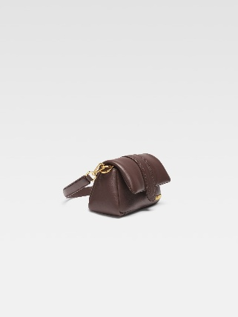 | 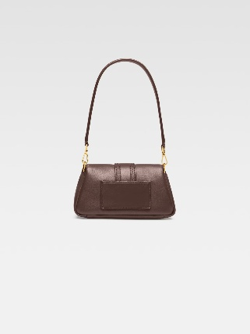 | 233BA335-3073-855MEDIUM BROWN | MEDIUM BROWN | HANDBAG | BAGS | ADULT | FEMALE | JACQUEMUS | €348.00 | €850.00 | 1 | 48 | 48
233BA335-3073-990 | 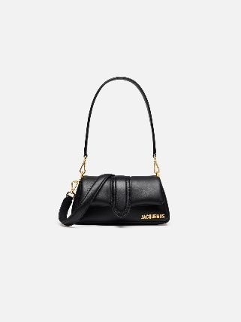 | 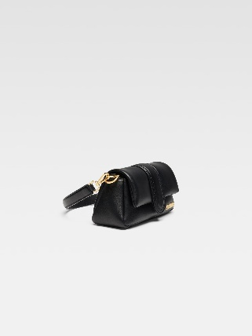 | 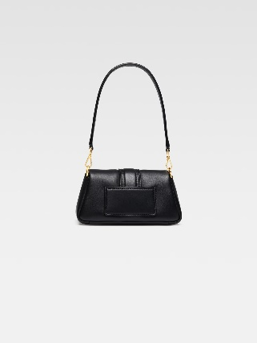 | 233BA335-3073-990BLACK | BLACK | HANDBAG | BAGS | ADULT | FEMALE | JACQUEMUS | €386.36 | €850.00 | 1 | 45 | 45
BAW00001BC01C01100 |  | 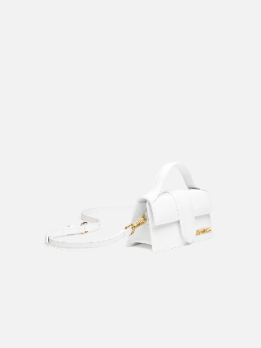 | 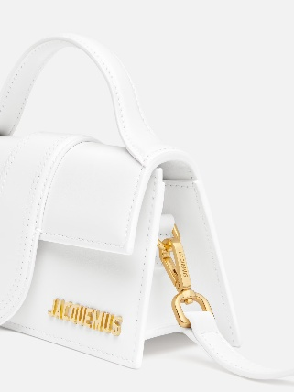 | BAW00001BC01C01100WHITE | WHITE | HANDBAG | BAGS | ADULT | FEMALE | JACQUEMUS | €328.00 | €720.00 | 1 | 13 | 13
BAW00001BC01C01990 | 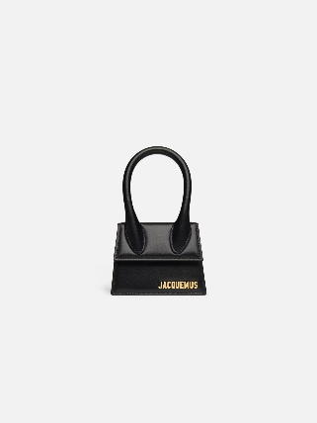 | 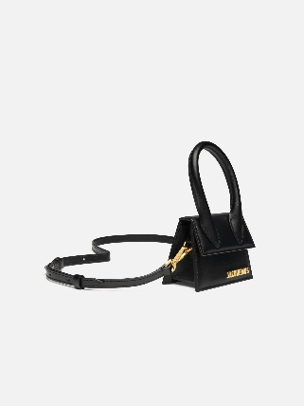 |  | BAW00001BC01C01990BLACK | BLACK | HANDBAG | BAGS | ADULT | FEMALE | JACQUEMUS | €328.00 | €720.00 | 1 | 24 | 24
BAW00007AC01C02120 | 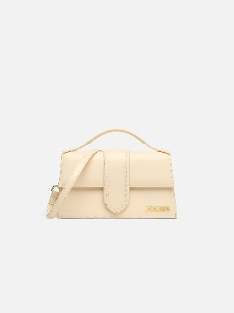 | 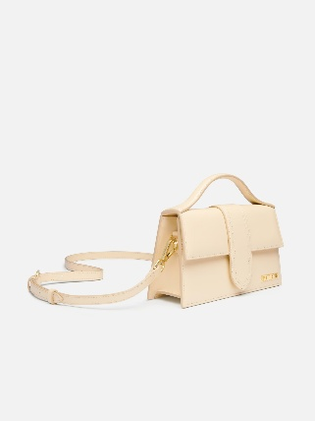 | 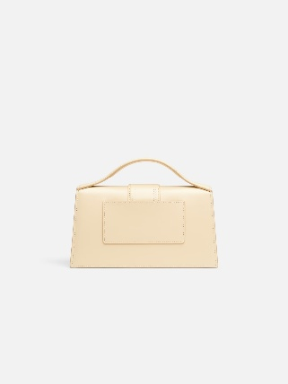 | BAW00007AC01C02120IVORY | IVORY | HANDBAG | BAGS | ADULT | FEMALE | JACQUEMUS | €335.00 | €820.00 | 1 | 49 | 49
BAW00007AC01C04811 | 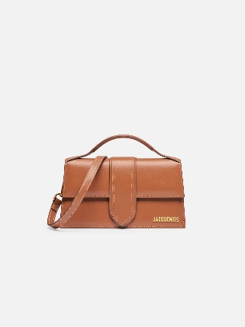 | 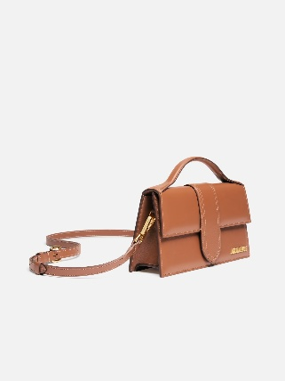 | 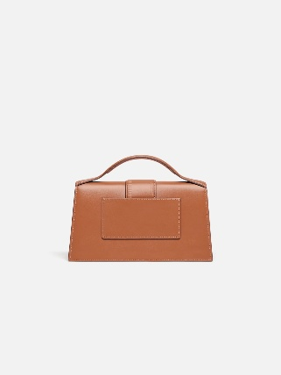 | BAW00007AC01C04811LIGHT BROWN 2 | LIGHT BROWN 2 | HANDBAG | BAGS | ADULT | FEMALE | JACQUEMUS | €372.73 | €820.00 | 1 | 28 | 28
BAW00007BC01A01850 | 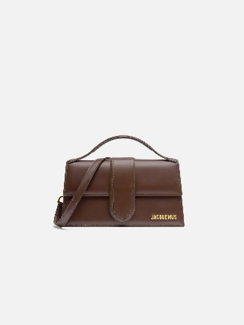 | 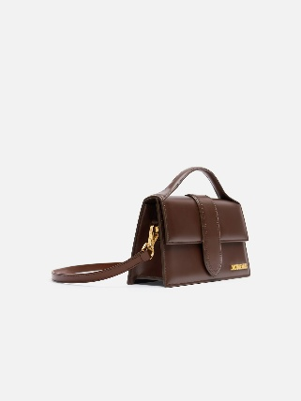 | 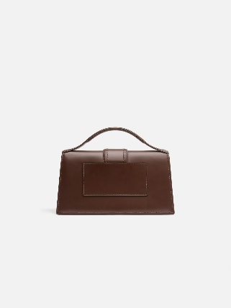 | BAW00007BC01A01850BROWN | BROWN | HANDBAG | BAGS | ADULT | FEMALE | JACQUEMUS | €372.73 | €820.00 | 1 | 45 | 45
BAW00007BC01C01100 |  | 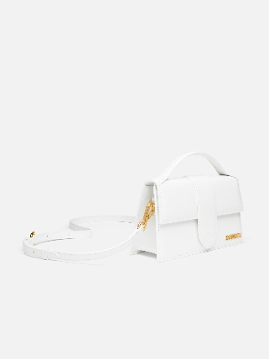 | 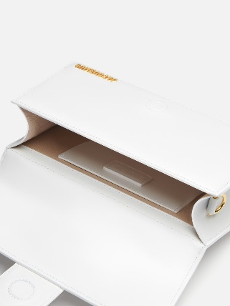 | BAW00007BC01C01100WHITE | WHITE | HANDBAG | BAGS | ADULT | FEMALE | JACQUEMUS | €335.00 | €820.00 | 1 | 29 | 29
BAW00007BC01C01990 | 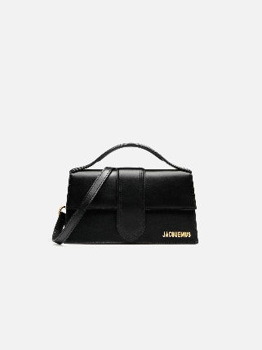 |  |  | BAW00007BC01C01990BLACK | BLACK | HANDBAG | BAGS | ADULT | FEMALE | JACQUEMUS | €372.73 | €820.00 | 1 | 25 | 25
BAW00007BC01C0199S |  |  |  | BAW00007BC01C0199SBLACK/SILVER | BLACK/SILVER | HANDBAG | BAGS | ADULT | FEMALE | JACQUEMUS | €372.73 | €820.00 | 1 | 38 | 38
BAW00013AC01C02990 |  |  |  | BAW00013AC01C02990BLACK | BLACK | HANDBAG | BAGS | ADULT | FEMALE | JACQUEMUS | €386.36 | €850.00 | 1 | 43 | 43
BAW00013AC01C04811 |  |  |  | BAW00013AC01C04811LIGHT BROWN | LIGHT BROWN | HANDBAG | BAGS | ADULT | FEMALE | JACQUEMUS | €386.36 | €850.00 | 1 | 35 | 35

